Bug Reports
Bug ID | Test Case ID | Module/Area | Description | Steps to Reproduce | Expected Result | Actual Result | Severity | Priority | Status | Screenshorts/Video
#bug1 | TC_Home_04 | Language Selector | Language does not update on the page as per user selection. | 1. Visit the homepage. | Language should update throughout the page based on the selection. | The language remains unchanged even after selecting a different option. | Medium | Medium | Failed | 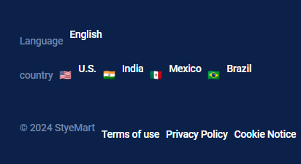
 |  |  |  | 2. Select a different language from the dropdown.
 |  |  |  | 3. Verify if the language updates.
#bug2 | TC_Interact_02 | Product Listings - Filter | Filters for category and price do not work or are missing from the product listings page. | 1. Navigate to the product listings page. | Products should be filtered based on the applied filters. | Filters are not present or applied incorrectly, and irrelevant items are displayed. | High | High | Failed | 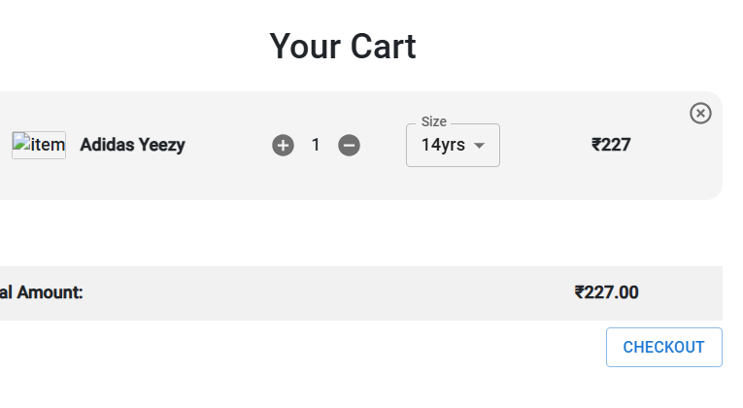
 |  |  |  | 2. Attempt to apply category and price filters.
 |  |  |  | 3. Verify if the products displayed match the selected filters.
#bug3 | TC_Interact_03 | Product Listings - Sort | Sorting functionality is not implemented for products by price (low to high). | 1. Navigate to the product listings page. | Products should be sorted from lowest to highest price. | Sorting feature is missing; products are not sorted by price. | Medium | Medium | Failed | NA
 |  |  |  | 2. Attempt to sort products by price (low to high).
 |  |  |  | 3. Verify the sorting order.
#bug4 | TC_Interact_05 | Product Details | Product detail popup is not functional; clicking on a product does not display the details popup. | 1. Navigate to the product listings page. | Product details should appear in a popup when a product is clicked. | Clicking on a product does not open its details; feature is missing. | High | High | Failed | 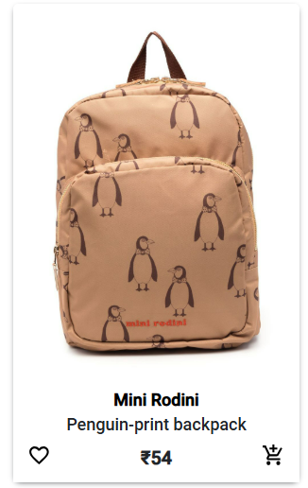
 |  |  |  | 2. Click on any product.
 |  |  |  | 3. Verify if the product details popup appears.
#bug5 | TC_Interact_08 | Login Functionality | Login form submits successfully but fails to log in the user. | 1. Navigate to the login page. | The user should be successfully logged in. | Form submits but does not log in the user. | High | High | Failed | 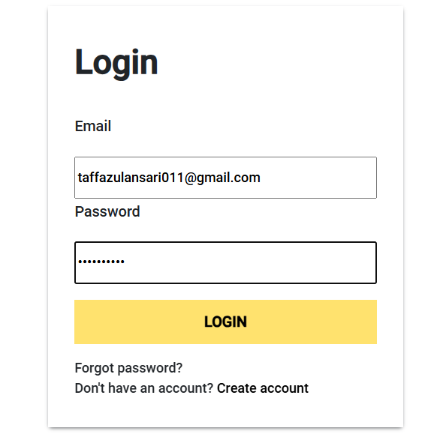
 |  |  |  | 2. Enter valid credentials.
 |  |  |  | 3. Click on the login button.
 |  |  |  | 4. Verify if the user is logged in.
#bug6 | TC_Interact_10 | Create Account | Create Account form fails to register a user despite valid inputs. | 1. Navigate to the register page. | User account should be created, and the user should be logged in automatically. | Form submission fails; account is not created. | High | High | Failed | 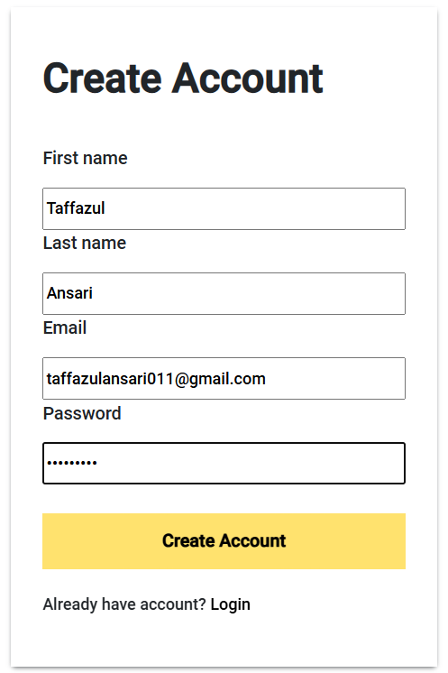
 |  |  |  | 2. Enter all required details.
 |  |  |  | 3. Click on the "Create Account" button.
 |  |  |  | 4. Verify if the user account is created.
#bug7 | TC_Cart_04 | Cart - Checkout | Checkout button does not redirect to the checkout page when clicked. | 1. Add a product to the cart. | User should be redirected to the checkout page. | Clicking the "Checkout" button does nothing; redirection to checkout page fails. | High | High | Failed | 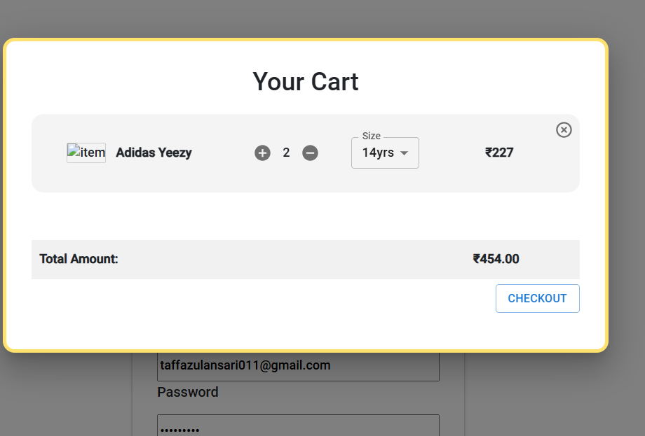
 |  |  |  | 2. Go to the cart page.
 |  |  |  | 3. Click on the "Checkout" button.
 |  |  |  | 4. Verify if the user is redirected to the checkout page.
#bug8 | TC_Footer_01 | Footer Links | Footer links are broken and do not redirect to the correct pages. | 1. Navigate to the homepage. | Footer links should navigate to their respective pages. | Footer links do not work as expected; navigation is incorrect. | High | High | Failed | 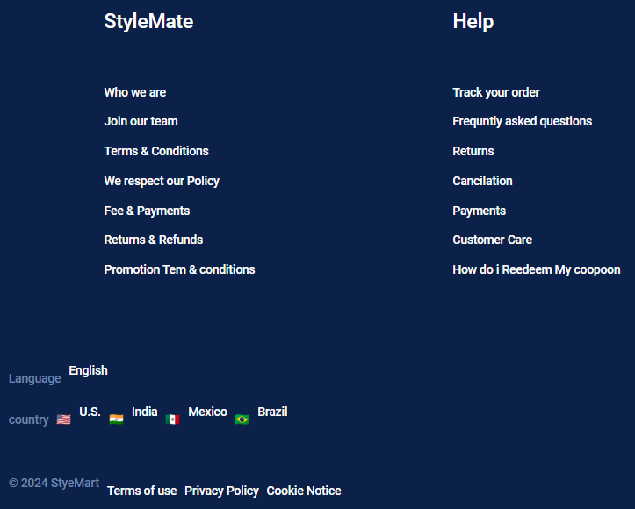
 |  |  |  | 2. Click on each footer link.
 |  |  |  | 3. Verify if the links navigate to the intended pages.
#bug9 | TC_Footer_02 | Social Media Links | Social media icons in the footer do not open the respective pages in new tabs. | 1. Navigate to the homepage. | Social media links should open in new tabs and lead to the correct pages. | Social media links either do not open or do not lead to the correct pages. | Medium | Medium | Failed | 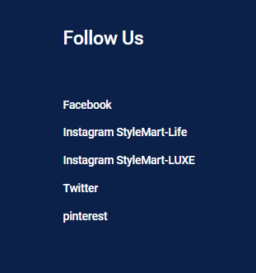
 |  |  |  | 2. Click on each social media icon in the footer.
 |  |  |  | 3. Verify if the links open in new tabs and lead to the correct pages.
#bug10 | TC_Footer_03 | Footer Links - Terms | The "Terms of Service" link in the footer does not navigate to the Terms of Service page. | 1. Navigate to the homepage. | Clicking on the link should navigate to the Terms of Service page. | Clicking on the link does not navigate to the Terms of Service page. | High | High | Failed | 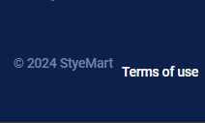
 |  |  |  | 2. Click on the "Terms of Service" link in the footer.
 |  |  |  | 3. Verify if the link navigates to the correct page.
#bug11 | TC_Footer_04 | Footer Links - Privacy | The "Privacy Policy" link in the footer does not navigate to the Privacy Policy page. | 1. Navigate to the homepage. | Clicking on the link should navigate to the Privacy Policy page. | Clicking on the link does not navigate to the Privacy Policy page. | High | High | Failed | 
 |  |  |  | 2. Click on the "Privacy Policy" link in the footer.
 |  |  |  | 3. Verify if the link navigates to the correct page.
#bug12 | TC_Footer_05 | Footer Links - Contact Us | The "Contact Us" link in the footer does not navigate to the "Contact Us" page as expected. | 1. Navigate to the homepage. 2. Scroll down to the footer. 3. Click on the "Contact Us" link. | Clicking on the "Contact Us" link should navigate to the "Contact Us" page. | Clicking on the "Contact Us" link does not navigate to the expected page. | Medium | Medium | Failed | NA

